Low Temp Heat
Low temp electrical heat is provided by heat pumps.
Heat pumps have a range of efficiencies depending on the amount of temperature increase they deliver.

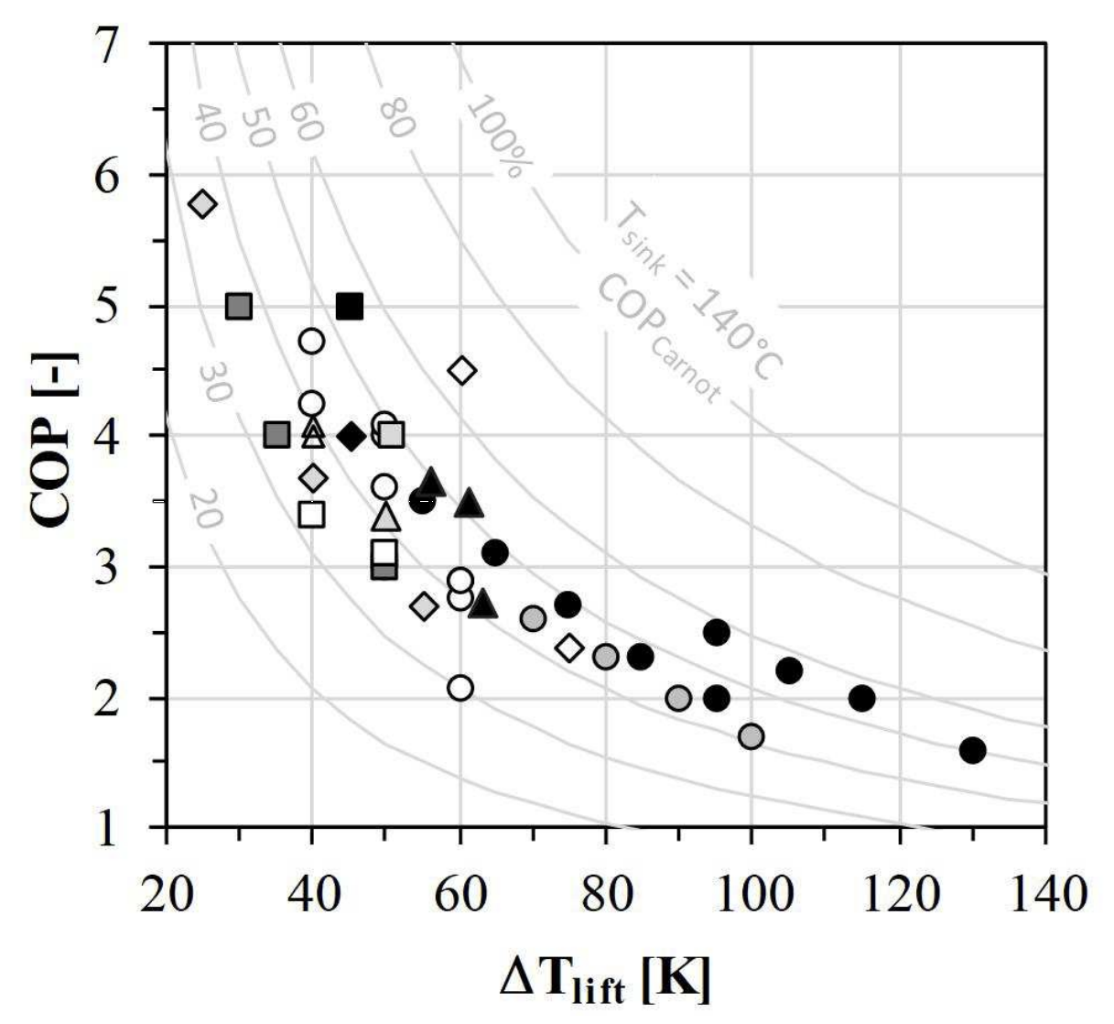
Temp Increase (°C) | COP
25 | 5.77
30 | 4.99
35 | 4.01
40 | 4.71
40 | 4.25
40 | 4.05
40 | 3.95
40 | 3.66
40 | 3.39
45 | 4.98
45.2 | 3.99
50 | 4.1
50.8 | 4
50 | 4
50 | 3.6
50 | 3.35
50 | 3.1
50 | 2.98
55 | 3.5
55 | 2.7
56.4 | 3.6
60.2 | 4.5
60 | 2.89
60 | 2.75
60 | 2.06
63.2 | 2.69
61.4 | 3.45
65 | 3.1
70 | 2.6
75 | 2.7
75 | 2.37
80 | 2.3
84.7 | 2.3
90 | 1.98
95 | 2.48
95 | 1.98
100 | 1.69
105 | 2.19
Industrial Heat Pump Efficiency vs. Delivered Temperature Increase
115 | 1.98
130 | 1.58

Room Temperature
23 | C

Temp Need for Low-Temp Heat
See variable indst/IHDbT

The low-temp heat range represents the heat that can be delivered by industrial heat pumps,
i.e., up to about 150-165 C. This represents around 30% of the total bar height in IHDbT.

Of that 30%:
12 | percentage points are <100 C.
18 | percentage points range from 100 to 165 C.

We assume the average heat need in the <100 C category is:
75 | C

We assume the average heat need in the 100 to 165 C category is:
130 | C

The weighted average temperature requirement among low-temp processes is:
108 | C

This corresponds to a temperature increase (relative to a room temp heat sink) of:
85 | C

This corresponds to a coefficient of performance (according to graph at right) of about:
2.5

Fossil Fuel Equipment Efficiency
A boiler represents a fairly typical piece of industrial equipment that often delivers
low-temperature heat. Here are some statistics on fossil boiler efficiency from U.S. DOE:

Boiler/Furnace Efficiencies
63% | Old, inefficient natural gas boiler or furnace
82% | Mid-efficiency natural gas boiler or furnace
94% | High-efficiency natural gas boiler or furnace

We will use the mid-tier to represent a typical boiler that would be replaced with electric.

To deliver 1 unit of heat, the fossil fuel boiler needs:
1.226993865 | units of energy

To deliver one unit of heat, the heat pump needs:
0.4 | units of energy

Therefore, the percent energy use reduction from switching is:
67.4%

Compare with new data from Jeff in the grey tabs

350% | efficiency of low-temp heat pumps (>80C)
210% | efficiency of high-temp heat pumps (80-150C)

56% | simple average share of heat <150C that is <80C
44% | simple average share of heat <150C that is >80C

288% | efficiency of heat pump for average industrial low temperature application

71% | average combustion boiler efficiency

To deliver 1 unit of heat, the fossil fuel boiler needs:
1.4084507042 | units of energy

To deliver one unit of heat, the heat pump needs:
0.34732196603 | units of energy

Therefore, the percent energy use reduction from switching is:
75.3%

Averaging across the above calculations:
71.4%

